GRAPH
 |  |  |  |  |  |  | Back to Index

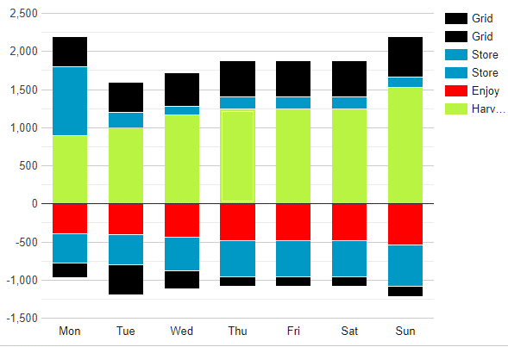

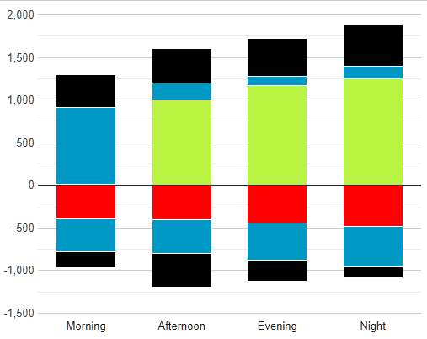

 | Morning |  | 9.85
 | Afternoon |  | 8.61
 | Evening |  | 8.546
 | Night |  | 15.337
 |  |  | Mon |  | Tue |  | Wed |  | Thu |  | Fri |  | Sat |  | Sun

 |  | Morning |  | Afternoon |  | Evening |  | Night

 | Monday |  |  |  |  | Tuesday |  |  |  |  | Wednesday |  |  |  |  | Thursday |  |  |  |  | Friday |  |  |  |  | Saturday |  |  |  |  | Sunday
 | 20190204 | Morning | Afternoon | Evening | Night | 20190205 | Morning | Afternoon | Evening | Night | 20190206 | Morning | Afternoon | Evening | Night | 20190207 | Morning | Afternoon | Evening | Night | 20190208 | Morning | Afternoon | Evening | Night | 20190209 | Morning | Afternoon | Evening | Night | 20190210 | Morning | Afternoon | Evening | Night
harvest | 64.916 | 16.825 | 18.229 | 20.447 | 9.415 | 60.847 | 14.648 | 20.593 | 10.735 | 14.871 | 33.176 | 10.095 | 6.934 | 6.354 | 9.793 | 47.622 | 20.497 | 14.572 | 3.546 | 9.007 | 54.579 | 15.891 | 12.017 | 13.551 | 13.120 | 50.848 | 16.552 | 4.763 | 12.947 | 16.586 | 48.594 | 10.436 | 12.537 | 18.173 | 7.448
enjoy | 32.985 | 18.196 | 3.603 | 3.137 | 8.049 | 47.976 | 9.859 | 4.866 | 19.601 | 13.650 | 49.660 | 10.221 | 15.391 | 17.232 | 6.816 | 53.052 | 14.924 | 9.392 | 14.066 | 14.670 | 67.861 | 18.566 | 20.318 | 16.470 | 12.507 | 36.287 | 15.924 | 3.811 | 13.392 | 3.160 | 58.055 | 14.932 | 11.915 | 18.794 | 12.414
store.in | 28.844 | 6.566 | 2.950 | 4.857 | 14.471 | 46.421 | 17.979 | 4.875 | 16.177 | 7.390 | 33.859 | 9.128 | 8.238 | 3.951 | 12.542 | 43.973 | 4.945 | 19.099 | 10.432 | 9.497 | 45.609 | 3.019 | 20.189 | 5.462 | 16.939 | 77.843 | 19.386 | 19.493 | 19.124 | 19.840 | 47.596 | 12.818 | 6.735 | 11.612 | 16.431
store.out | 68.974 | 16.273 | 15.211 | 16.841 | 20.649 | 37.474 | 11.470 | 3.434 | 9.115 | 13.455 | 50.401 | 19.591 | 9.431 | 15.713 | 5.666 | 41.850 | 9.182 | 13.920 | 3.447 | 15.301 | 36.255 | 4.127 | 7.685 | 17.209 | 7.234 | 45.763 | 18.615 | 8.221 | 6.174 | 12.753 | 53.632 | 14.797 | 19.594 | 5.048 | 14.193
grid.in | 41.597 | 8.519 | 14.878 | 11.742 | 6.458 | 35.692 | 6.792 | 2.815 | 8.004 | 18.081 | 45.311 | 5.588 | 6.856 | 19.696 | 13.171 | 40.715 | 3.490 | 20.537 | 10.173 | 6.515 | 37.290 | 6.495 | 11.664 | 6.206 | 12.925 | 50.079 | 18.373 | 3.924 | 17.276 | 10.506 | 41.999 | 6.025 | 6.106 | 11.320 | 18.548
grid.out | 69.405 | 18.152 | 18.491 | 17.249 | 15.513 | 38.519 | 11.471 | 4.383 | 10.967 | 11.698 | 42.564 | 3.434 | 9.843 | 17.337 | 11.950 | 54.616 | 16.642 | 16.914 | 12.269 | 8.791 | 46.175 | 6.130 | 18.634 | 15.027 | 6.384 | 34.485 | 9.758 | 3.381 | 17.566 | 3.780 | 52.665 | 13.962 | 12.372 | 16.855 | 9.476

 |  |  | 10.452964286

 |  | ['weekday', 'Harvest', 'Enjoy', 'Store in', 'Store out', 'Grid in', 'Grid out'],
 |  | ['Mon', 900, -390, 900, -390, 390, -190],
 |  | ['Tue', 1000, -400, 200, -400, 400, -390],
 |  | ['Wed', 1170, -440, 110, -440, 440, -240],
 |  | ['Thu', 1250, -480, 150, -480, 480, -120],
 |  | ['Fri', 1250, -480, 150, -480, 480, -120],
 |  | ['Sat', 1250, -480, 150, -480, 480, -120],
 |  | ['Sun', 1530, -540, 130, -540, 540, -140]

 |  |  |  |  |  |  |  |  | `
 |  |  |  |  | Graphs |  | Avg Harvest |  | aggregation: google.visualization.data.avg
 |  |  |  |  |  |  | Avg Enjoy |  | aggregation: google.visualization.data.avg
 |  |  |  |  |  |  | Store Total |  | aggregation: google.visualization.data.sum
 |  |  |  |  |  |  | Grid Total |  | aggregation: google.visualization.data.sum

 |  |  |  |  |  |  | ax8-group1.html
 |  |  |  |  |  |  | modifier: Store in --> Store

 |  |  |  | harvest | store.in | store.out | (store) | enjoy | grid.out | grid.in | (grid) | (NET) |  |  |  |  | { "rel": "collection", "name": "week.day", "prompt": "Mon Feb 4th - Sun Feb 10th",
 |  | Monday | 20190204 | 64.916 | 28.844 | 68.974 | 40.130 | 32.985 | 41.597 | 69.405 | -27.808 | 44.253 | 175.487 | 131.234 |  |  | "title": "04/02/19 - 10/02/19", "description": "Mon Tue Wed Thu Fri Sat Sun", |  |  |  |  |  |  |  |  |  |  | =7 items
 |  | Monday | Night | 16.825 | 6.566 | 16.273 | 9.707 | 18.196 | 8.519 | 18.152 | -9.633 | -1.297 | 41.617 | 42.914 |  |  | "href": "http://api.endpoints.sundaya.cloud.goog/energy/hse/period/day/20190204/7?site=999"
 |  | Monday | Afternoon | 18.229 | 2.950 | 15.211 | 12.261 | 3.603 | 14.878 | 18.491 | -3.613 | 23.274 | 48.318 | 25.044 |  |  | },
 |  | Monday | Evening | 20.447 | 4.857 | 16.841 | 11.984 | 3.137 | 11.742 | 17.249 | -5.507 | 23.787 | 49.03 | 25.243 |  |  | { "rel": "collection", "name": "day.timeofday", "prompt": "Feb 4 Night - Feb 10 Evening", |  |  |  |  |  |  |  |  |  |  | grandchild_descriptions
 |  | Monday | Morning | 9.415 | 14.471 | 20.649 | 6.178 | 8.049 | 6.458 | 15.513 | -9.055 | -1.511 | 36.522 | 38.033 |  |  | "title": "04/02/19 00:00 - 10/02/19 23:59", "description": "Morning Afternoon Evening Night", |  |  |  |  |  |  |  |  |  |  |  |  | 4
 |  | Tuesday | 20190205 | 60.847 | 46.421 | 37.474 | -8.947 | 47.976 | 35.692 | 38.519 | -2.827 | 1.097 | 134.013 | 132.916 |  |  | "href": "http://api.endpoints.sundaya.cloud.goog/energy/hse/period/timeofday/20190204T0000/28?site=999"
 |  | Tuesday | Night | 14.648 | 17.979 | 11.470 | -6.509 | 9.859 | 6.792 | 11.471 | -4.679 | -6.399 | 32.91 | 39.309 |  |  | },
 |  | Tuesday | Afternoon | 20.593 | 4.875 | 3.434 | -1.441 | 4.866 | 2.815 | 4.383 | -1.568 | 12.718 | 26.842 | 14.124
 |  | Tuesday | Evening | 10.735 | 16.177 | 9.115 | -7.062 | 19.601 | 8.004 | 10.967 | -2.963 | -18.891 | 27.854 | 46.745 |  |  | "data": [
 |  | Tuesday | Morning | 14.871 | 7.390 | 13.455 | 6.065 | 13.650 | 18.081 | 11.698 | 6.383 | 13.669 | 46.407 | 32.738 |  |  | { "name": "day", "value": "20190204/1",
 |  | Wednesday | 20190206 | 33.176 | 33.859 | 50.401 | 16.542 | 49.660 | 45.311 | 42.564 | 2.747 | 2.805 | 128.888 | 126.083 |  |  | "data": [
 |  | Wednesday | Night | 10.095 | 9.128 | 19.591 | 10.463 | 10.221 | 5.588 | 3.434 | 2.154 | 12.491 | 35.274 | 22.783 |  |  | { "name": "harvest", "value": "42.343" },
 |  | Wednesday | Afternoon | 6.934 | 8.238 | 9.431 | 1.193 | 15.391 | 6.856 | 9.843 | -2.987 | -10.251 | 23.221 | 33.472 |  |  | { "name": "store.in", "value": "57.695" },
 |  | Wednesday | Evening | 6.354 | 3.951 | 15.713 | 11.762 | 17.232 | 19.696 | 17.337 | 2.359 | 3.243 | 41.763 | 38.520 |  |  | { "name": "store.out", "value": "54.046" },
 |  | Wednesday | Morning | 9.793 | 12.542 | 5.666 | -6.876 | 6.816 | 13.171 | 11.950 | 1.221 | -2.678 | 28.63 | 31.308 |  |  | { "name": "enjoy", "value": "31.117" },
 |  | Thursday | 20190207 | 47.622 | 43.973 | 41.850 | -2.123 | 53.052 | 40.715 | 54.616 | -13.901 | -21.454 | 130.187 | 151.641 |  |  | { "name": "grid.in", "value": "37.646" },
 |  | Thursday | Night | 20.497 | 4.945 | 9.182 | 4.237 | 14.924 | 3.490 | 16.642 | -13.152 | -3.342 | 33.169 | 36.511 |  |  | { "name": "grid.out", "value": "39.620" }
 |  | Thursday | Afternoon | 14.572 | 19.099 | 13.920 | -5.179 | 9.392 | 20.537 | 16.914 | 3.623 | 3.624 | 49.029 | 45.405 |  |  | ]
 |  | Thursday | Evening | 3.546 | 10.432 | 3.447 | -6.985 | 14.066 | 10.173 | 12.269 | -2.096 | -19.601 | 17.166 | 36.767 |  |  | },
 |  | Thursday | Morning | 9.007 | 9.497 | 15.301 | 5.804 | 14.670 | 6.515 | 8.791 | -2.276 | -2.135 | 30.823 | 32.958 |  |  | { "name": "day.timeofday", "value": "20190204T0000/4",
 |  | Friday | 20190208 | 54.579 | 45.609 | 36.255 | -9.354 | 67.861 | 37.290 | 46.175 | -8.885 | -31.521 | 128.124 | 159.645 |  |  | "data": [
 |  | Friday | Night | 15.891 | 3.019 | 4.127 | 1.108 | 18.566 | 6.495 | 6.130 | 0.365 | -1.202 | 26.513 | 27.715 |  |  | { "name": "harvest", "value": "9.850 8.610 8.546 15.337" }, |  |  |  |  |  |  |  |  |  |  |  |  | 4
 |  | Friday | Afternoon | 12.017 | 20.189 | 7.685 | -12.504 | 20.318 | 11.664 | 18.634 | -6.970 | -27.775 | 31.366 | 59.141 |  |  | { "name": "store.in", "value": "18.894 17.784 18.056 2.961" },
 |  | Friday | Evening | 13.551 | 5.462 | 17.209 | 11.747 | 16.470 | 6.206 | 15.027 | -8.821 | 0.007 | 36.966 | 36.959 |  |  | { "name": "store.out", "value": "5.501 11.502 20.281 16.762" },
 |  | Friday | Morning | 13.120 | 16.939 | 7.234 | -9.705 | 12.507 | 12.925 | 6.384 | 6.541 | -2.551 | 33.279 | 35.830 |  |  | { "name": "enjoy", "value": "6.933 7.893 11.819 4.472" },
 |  | Saturday | 20190209 | 50.848 | 77.843 | 45.763 | -32.080 | 36.287 | 50.079 | 34.485 | 15.594 | -1.925 | 146.69 | 148.615 |  |  | { "name": "grid.in", "value": "7.878 5.242 19.804 4.722" },
 |  | Saturday | Night | 16.552 | 19.386 | 18.615 | -0.771 | 15.924 | 18.373 | 9.758 | 8.615 | 8.472 | 53.54 | 45.068 |  |  | { "name": "grid.out", "value": "15.968 9.152 9.046 5.454" }
 |  | Saturday | Afternoon | 4.763 | 19.493 | 8.221 | -11.272 | 3.811 | 3.924 | 3.381 | 0.543 | -9.777 | 16.908 | 26.685 |  |  | ]
 |  | Saturday | Evening | 12.947 | 19.124 | 6.174 | -12.950 | 13.392 | 17.276 | 17.566 | -0.290 | -13.685 | 36.397 | 50.082 |  |  | }
 |  | Saturday | Morning | 16.586 | 19.840 | 12.753 | -7.087 | 3.160 | 10.506 | 3.780 | 6.726 | 13.065 | 39.845 | 26.780 |  |  | ]
 |  | Sunday | 20190210 | 48.594 | 47.596 | 53.632 | 6.036 | 58.055 | 41.999 | 52.665 | -10.666 | -14.091 | 144.225 | 158.316
 |  | Sunday | Night | 10.436 | 12.818 | 14.797 | 1.979 | 14.932 | 6.025 | 13.962 | -7.937 | -10.454 | 31.258 | 41.712
 |  | Sunday | Afternoon | 12.537 | 6.735 | 19.594 | 12.859 | 11.915 | 6.106 | 12.372 | -6.266 | 7.215 | 38.237 | 31.022 |  | { c: [{ v: 0, f: 'Mon Feb 4th' }, { v: 0, f: 'Night' }, { v: 16.825 }, { v: -18.196 }, { v: -6.566 }, { v: 16.273 }, { v: 9.707 }, { v: 8.519 }, { v: -18.152 }, { v: 9.633 }] },
 |  | Sunday | Evening | 18.173 | 11.612 | 5.048 | -6.564 | 18.794 | 11.320 | 16.855 | -5.535 | -12.720 | 34.541 | 47.261 |  | { c: [{ v: 1, f: 'Tue Feb 5th' }, { v: 0, f: 'Night' }, { v: 14.648 }, { v: -9.859 }, { v: -17.979 }, { v: 11.470 }, { v: -6.509 }, { v: 6.792 }, { v: -11.471 }, { v: 4.679 }] },
 |  | Sunday | Morning | 7.448 | 16.431 | 14.193 | -2.238 | 12.414 | 18.548 | 9.476 | 9.072 | 1.868 | 40.189 | 38.321 |  | col[0] v: <ch_n>, f: <items[ch_n].link[0]> "Mon Feb 4th"
 |  |  |  |  |  |  |  |  |  |  |  |  |  |  |  | "links": [
 |  | Night |  | 104.944 | 73.841 | 94.055 | 20.214 | 102.622 | 55.282 | 79.549 | -24.267 | -1.731 |  |  |  | { "rel": "self", "name": "day", "prompt": "Mon Feb 4th", "title": "04/02/19",
 |  | Afternoon |  | 89.645 | 81.579 | 77.496 | -4.083 | 69.296 | 66.780 | 84.018 | -17.238 | -0.972 |  |  |  | col[1] v: <gc_n>, f: <grandchild_descriptions[gc_n]> 'Night'
 |  | Evening |  | 85.753 | 71.615 | 73.547 | 1.932 | 102.692 | 84.417 | 107.270 | -22.853 | -37.860 |  |  |  | col[2] | Harvest
 |  | Morning |  | 80.240 | 97.110 | 89.251 | -7.859 | 71.266 | 86.204 | 67.592 | 18.612 | 19.727 |  |  |  | 0 | row[ch_n + gc_n] v: <items[ch_n].data[1].data[0].value.split[gc_n]> |  |  |  |  |  |  |  |  |  | 9.85
 |  |  |  |  |  |  |  |  |  |  |  |  |  |  |  | 1 | row[ch_n + gc_n] v: <items[ch_n].data[1].data[0].value.split[gc_n]> |  |  |  |  |  |  |  |  |  | 8.61
 |  |  |  |  |  |  |  |  |  |  |  |  |  |  |  | 2 | row[ch_n + gc_n] v: <items[ch_n].data[1].data[0].value.split[gc_n]> |  |  |  |  |  |  |  |  |  | 8.546
 |  |  |  |  |  |  |  |  |  |  |  |  |  |  |  | 3 | row[ch_n + gc_n] v: <items[ch_n].data[1].data[0].value.split[gc_n]> |  |  |  |  |  |  |  |  |  | 15.337
 |  |  |  | in |  | out |  |  |  |  |  | -22.839
 |  |  |  | -6.566 |  | 16.273 |  |  |  |  |  | 9.707 | 9.707 |  |  | col[3] | Enjoy
 |  |  |  |  |  |  |  |  |  |  |  |  |  |  |  | 0 | row[ch_n + gc_n] v: <items[ch_n].data[1].data[3].value.split[gc_n]>
 |  | Monday | Morning | 16.825 | 6.566 | 16.273 | 18.196 | 8.519 | 18.152 |  |  | -9.707 | -9.633 | -1.297 |  | 1 | row[ch_n + gc_n] v: <items[ch_n].data[1].data[3].value.split[gc_n]>
 |  | Monday | Afternoon | 18.229 | 2.950 | 15.211 | 3.603 | 14.878 | 18.491 |  |  | -12.261 | -3.613 | 23.274 |  | 2 | row[ch_n + gc_n] v: <items[ch_n].data[1].data[3].value.split[gc_n]>
 |  | Monday | Evening | 20.447 | 4.857 | 16.841 | 3.137 | 11.742 | 17.249 |  |  | -11.984 | -5.507 | 23.787 |  | 3 | row[ch_n + gc_n] v: <items[ch_n].data[1].data[3].value.split[gc_n]>
 |  | Monday | Night | 9.415 | 14.471 | 20.649 | 8.049 | 6.458 | 15.513 |  |  | -6.178 | -9.055 | -1.511
 |  | Tuesday | Morning | 14.648 | 17.979 | 11.470 | 9.859 | 6.792 | 11.471 |  |  | 6.509 | -4.679 | -6.399 |  | col[4] | Store in
 |  | Tuesday | Afternoon | 20.593 | 4.875 | 3.434 | 4.866 | 2.815 | 4.383 |  |  | 1.441 | -1.568 | 12.718 |  | 0 | row[ch_n + gc_n] v: <items[ch_n].data[1].data[1].value.split[gc_n]>
 |  | Tuesday | Evening | 10.735 | 16.177 | 9.115 | 19.601 | 8.004 | 10.967 |  |  | 7.062 | -2.963 | -18.891 |  | col[5] | Store out
 |  | Tuesday | Night | 14.871 | 7.390 | 13.455 | 13.650 | 18.081 | 11.698 |  |  | -6.065 | 6.383 | 13.669 |  | 0 | row[ch_n + gc_n] v: <items[ch_n].data[1].data[2].value.split[gc_n]>
 |  | Wednesday | Morning | 10.095 | 9.128 | 19.591 | 10.221 | 5.588 | 3.434 |  |  | -10.463 | 2.154 | 12.491 |  | col[6] | (Store) | <Store out> - <Store in>
 |  | Wednesday | Afternoon | 6.934 | 8.238 | 9.431 | 15.391 | 6.856 | 9.843 |  |  | -1.193 | -2.987 | -10.251
 |  | Wednesday | Evening | 6.354 | 3.951 | 15.713 | 17.232 | 19.696 | 17.337 |  |  | -11.762 | 2.359 | 3.243 |  | col[7] | Grid out
 |  | Wednesday | Night | 9.793 | 12.542 | 5.666 | 6.816 | 13.171 | 11.950 |  |  | 6.876 | 1.221 | -2.678 |  | 0 | row[ch_n + gc_n] v: <items[ch_n].data[1].data[5].value.split[gc_n]>
 |  | Thursday | Morning | 20.497 | 4.945 | 9.182 | 14.924 | 3.490 | 16.642 |  |  | -4.237 | -13.152 | -3.342 |  | col[8] | Grid in
 |  | Thursday | Afternoon | 14.572 | 19.099 | 13.920 | 9.392 | 20.537 | 16.914 |  |  | 5.179 | 3.623 | 3.624 |  | 0 | row[ch_n + gc_n] v: <items[ch_n].data[1].data[4].value.split[gc_n]>
 |  | Thursday | Evening | 3.546 | 10.432 | 3.447 | 14.066 | 10.173 | 12.269 |  |  | 6.985 | -2.096 | -19.601 |  | col[9] | (Grid) | <Grid out> - <Grid in>
 |  | Thursday | Night | 9.007 | 9.497 | 15.301 | 14.670 | 6.515 | 8.791 |  |  | -5.804 | -2.276 | -2.135
 |  | Friday | Morning | 15.891 | 3.019 | 4.127 | 18.566 | 6.495 | 6.130 |  |  | -1.108 | 0.365 | -1.202
 |  | Friday | Afternoon | 12.017 | 20.189 | 7.685 | 20.318 | 11.664 | 18.634 |  |  | 12.504 | -6.970 | -27.775
 |  | Friday | Evening | 13.551 | 5.462 | 17.209 | 16.470 | 6.206 | 15.027 |  |  | -11.747 | -8.821 | 0.007
 |  | Friday | Night | 13.120 | 16.939 | 7.234 | 12.507 | 12.925 | 6.384 |  |  | 9.705 | 6.541 | -2.551
 |  | Saturday | Morning | 16.552 | 19.386 | 18.615 | 15.924 | 18.373 | 9.758 |  |  | 0.771 | 8.615 | 8.472 |  |  |  |  |  |  |  | -14.053 }, { v: 8.454
 |  | Saturday | Afternoon | 4.763 | 19.493 | 8.221 | 3.811 | 3.924 | 3.381 |  |  | 11.272 | 0.543 | -9.777 |  |  |  |  |  | 8.454 |  | -14.053
 |  | Saturday | Evening | 12.947 | 19.124 | 6.174 | 13.392 | 17.276 | 17.566 |  |  | 12.950 | -0.290 | -13.685 |  |  |  |  |  |  |  | 22.507
 |  | Saturday | Night | 16.586 | 19.840 | 12.753 | 3.160 | 10.506 | 3.780 |  |  | 7.087 | 6.726 | 13.065
 |  | Sunday | Morning | 10.436 | 12.818 | 14.797 | 14.932 | 6.025 | 13.962 |  |  | -1.979 | -7.937 | -10.454
 |  | Sunday | Afternoon | 12.537 | 6.735 | 19.594 | 11.915 | 6.106 | 12.372 |  |  | -12.859 | -6.266 | 7.215
 |  | Sunday | Evening | 18.173 | 11.612 | 5.048 | 18.794 | 11.320 | 16.855 |  |  | 6.564 | -5.535 | -12.720
 |  | Sunday | Night | 7.448 | 16.431 | 14.193 | 12.414 | 18.548 | 9.476 |  |  | 2.238 | 9.072 | 1.868

Period DATA
 |  |  |  |  | Back to Index
<period> |  | <-href=next/prev->
 | <grandchild> [#] | href[]=<child>
 |  | <child> [# elements]
href=<parent>

minute |  | <-href=next/prev(minute)-> |  | second | instant
 | ms [all available] | href[]=second |  | 1-60
 |  | second [60]
href=hour

hour |  | <-href=next/prev(hour)-> |  | minute | second
 | second [60] | href[]=minute |  | 1-60 | 1-60
 |  | minute [60]
href=day

timeofday |  | <-href=next/prev(timeofday)-> |  | hour | minute
 | minute [60] | href[]=day
 |  | hour [6]
href=

day |  | <-href=next/prev(day)-> |  | timeofday | hour
 | hour [6] | href[]=hour
 |  | timeofday [4]
href=week

week |  | <-href=next/prev(week)-> |  | day | timeofday
 | hour [24] | href[]=day
 |  | day [7]
href=month

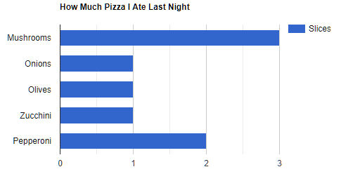
 |  |  |  |  |  |  | week | 04/02/2019-10/02/2019
 |  |  |  |  |  |  | hourâ dayà | Monday | Tuesday | Wednesday | Thursday | Friday | Saturday | Sunday
 |  |  |  |  |  |  | 06 | 54 | 3640 | 54 | 54 | 54 | 54 | 54
 |  |  |  |  |  |  | 07 | 3640 | 3643 | 30 | 30 | 30 | 3520 | 30
 |  |  |  |  |  |  | 08 | 33 | 33 | 33 | 33 | 3520 | 33 | 3520
 |  |  |  |  |  |  | 09 | 23 | 23 | 23 | 3520 | 3640 | 2333 | 23
 |  |  |  |  |  |  | 10 | 55 | 1233 | 2333 | 2000 | 2333 | 55 | 2000
 |  |  |  |  |  |  | 11 | 44 | 44 | 3520 | 2000 | 44 | 44 | 44
 |  |  |  |  |  |  | 12 | 54 | 3640 | 54 | 54 | 54 | 54 | 54
 |  |  |  |  |  |  | 13 | 3640 | 3643 | 30 | 30 | 30 | 3520 | 30
 |  |  |  |  |  |  | 14 | 33 | 33 | 33 | 33 | 3520 | 33 | 3520
 |  |  |  |  |  |  | 15 | 23 | 23 | 23 | 3520 | 3640 | 2333 | 23
 |  |  |  |  |  |  | 16 | 55 | 1233 | 2333 | 2000 | 2333 | 55 | 2000
 |  |  |  |  |  |  | 17 | 44 | 44 | 3520 | 2000 | 44 | 44 | 44
 |  |  |  |  |  |  | 18 | 54 | 3640 | 54 | 54 | 54 | 54 | 54
 |  |  |  |  |  |  | 19 | 3640 | 3643 | 30 | 30 | 30 | 3520 | 30
 |  |  |  |  |  |  | 20 | 33 | 33 | 33 | 33 | 3520 | 33 | 3520
 |  |  |  |  |  |  | 21 | 23 | 23 | 23 | 3520 | 3640 | 2333 | 23
 |  |  |  |  |  |  | 22 | 55 | 1233 | 2333 | 2000 | 2333 | 55 | 2000
 |  |  |  |  |  |  | 23 | 44 | 44 | 3520 | 2000 | 44 | 44 | 44
 |  |  |  |  |  |  | 24 | 54 | 3640 | 54 | 54 | 54 | 54 | 54
 |  |  |  |  |  |  | 01 | 3640 | 3643 | 30 | 30 | 30 | 3520 | 30
 |  |  |  |  |  |  | 02 | 33 | 33 | 33 | 33 | 3520 | 33 | 3520
 |  |  |  |  |  |  | 03 | 23 | 23 | 23 | 3520 | 3640 | 2333 | 23
 |  |  |  |  |  |  | 04 | 55 | 1233 | 2333 | 2000 | 2333 | 55 | 2000
 |  |  |  |  |  |  | 05 | 44 | 44 | 3520 | 2000 | 44 | 44 | 44
 |  |  |  |  |  |  | total | 15396 | 34464 | 23972 | 30548 | 38484 | 24156 | 22684

month |  | <-href=next/prev(month)-> |  | day | timeofday
 | day [7] | href[]=week
 |  | week [4]
href=quarter

quarter |  | <-href=next/prev(quarter)-> |  | month | day
 | week [4] | href[]=month
 |  | month [4]
href=year

year |  | <-href=next/prev(year)-> |  | quarter | month
 | week [4] | href[]=month
 |  | month [12]
href=5year

5year |  | <-href=next/prev(5year)-> |  | year | quarter
 | month [12] | href[]=year
 |  | year [5]
href=

 |  |  | 06 | 07 | 08 | 09 | 10 | 11 | 12 | 13 | 14 | 15 | 16 | 17 | 18 | 19 | 20 | 21 | 22 | 23 | 24 | 01 | 02 | 03 | 04 | 05

 |  |  | period | period | week
 |  |  |  | epoch
 |  |  |  | duration
 |  |  |  | title |  |  | title": "Monday Tuesday Wednesday Thursday Friday Saturday Sunday"
 |  |  |  | prompt
 |  |  |  | data

 |  |  |  | collection | child

 |  |  |  | next
 |  |  |  | prev
 |  |  |  | parent
 |  |  | energy
 |  |  | site

 |  |  | http:/api.endpoints.sundaya.cloud.goog/energy/hse/week/20190204/1?site=9999

 |  | DataObj to provide
 |  | links + hrefs | Param.Period
 |  |  | value | week | link.name
 |  |  | size
 |  |  | has
 |  |  | hasValue
 |  |  | [] name, value

{
"collection": {
"version": "0.2",
"href": "http:/api.endpoints.sundaya.cloud.goog/energy/hse/week/20190204/1?site=9999",
"links": [
{ "rel": "self", "name": "week", "prompt": "Week 06 2019", "title": "04/02/19 - 10/02/19",
"href": "http:/api.endpoints.sundaya.cloud.goog/energy/hse/week/20190204/1?site=9999"
},
{ "rel": "collection", "name": "week.day", "prompt": "Week 06 2019 - Days", "title": "Monday Tuesday Wednesday Thursday Friday Saturday Sunday",
"href": "http:/api.endpoints.sundaya.cloud.goog/energy/hse/day/20190204/7?site=9999"
},
{ "rel": "up", "name": "month", "prompt": "February 2019", "title": "01/02/19 - 28/02/19",
"href": "http:/api.endpoints.sundaya.cloud.goog/energy/hse/month/20190201/1?site=9999", "render": "link"
},
{ "rel": "next", "name": "week", "prompt": "Week 07 2019", "title": "11/02/19 - 17/02/19",
"href": "http:/api.endpoints.sundaya.cloud.goog/energy/hse/week/20190211/1?site=9999", "render": "link"
},
{ "rel": "prev", "name": "week", "prompt": "Week 05 2019", "title": "28/01/19 - 03/02/19",
"href": "http:/api.endpoints.sundaya.cloud.goog/energy/hse/week/20190128/1?site=9999", "render": "link"
}
],
"items": [
{ "href": "http:/api.endpoints.sundaya.cloud.goog/energy/hse/day/20190204/1?site=9999",
"links": [
{ "rel": "self", "name": "day", "prompt": "Mon Feb 4th", "title": "04/02/19",
"href": "http:/api.endpoints.sundaya.cloud.goog/energy/hse/day/20190204/1?site=9999", "render": "link"
},
{ "rel": "collection", "name": "day.hour", "prompt": "Mon Feb 4th - Hours", "title": "00 01 02 03 04 05 06 07 08 09 10 11 12 13 14 15 16 17 18 19 20 21 22 23",
"href": "http:/api.endpoints.sundaya.cloud.goog/energy/hse/hour/20190204T0000/24?site=9999"
}
],
"data": [
{ "name": "harvest.day", "value": "15396" },
{ "name": "store.day.in", "value": "15396" },
{ "name": "store.day.out", "value": "15396" },
{ "name": "enjoy.day", "value": "15396" },
{ "name": "grid.day.in", "value": "0" },
{ "name": "grid.day.out", "value": "15396" },
{ "name": "harvest.day.hours", "value": "54 3640 33 23 55 44 54 3640 33 23 55 44 54 3640 33 23 55 44 54 3640 33 23 55 44" },
{ "name": "store.day.hours.in", "value": "54 3640 33 23 55 44 54 3640 33 23 55 44 54 3640 33 23 55 44 54 3640 33 23 55 44" },
{ "name": "store.day.hours.out", "value": "54 3640 33 23 55 44 54 3640 33 23 55 44 54 3640 33 23 55 44 54 3640 33 23 55 44" },
{ "name": "enjoy.day.hours", "value": "54 3640 33 23 55 44 54 3640 33 23 55 44 54 3640 33 23 55 44 54 3640 33 23 55 44" },
{ "name": "grid.day.hours.in", "value": "0 0 0 0 0 0 0 0 0 0 0 0 0 0 0 0 0 0 0 0 0 0 0 0" },
{ "name": "grid.day.hours.out", "value": "54 3640 33 23 55 44 54 3640 33 23 55 44 54 3640 33 23 55 44 54 3640 33 23 55 44" }
]
},
{ "href": "http:/api.endpoints.sundaya.cloud.goog/energy/hse/day/20190205/1?site=9999",
"links": [
{ "rel": "self", "name": "day", "prompt": "Day", "title": "Tuesday",
"href": "http:/api.endpoints.sundaya.cloud.goog/energy/hse/day/20190205/1?site=9999", "render": "link"
},
{ "rel": "item", "name": "day.hours", "prompt": "Hours", "title": "06 07 08 09 10 11 12 13 14 15 16 17 18 19 20 21 22 23 24 01 02 03 04 05",
"href": "http:/api.endpoints.sundaya.cloud.goog/energy/hse/hour/20190204T0600/24?site=9999"
}
],
"data": [
{ "name": "harvest.day", "value": "34464" },
{ "name": "store.day.in", "value": "34464" },
{ "name": "store.day.out", "value": "34464" },
{ "name": "enjoy.day", "value": "34464" },
{ "name": "grid.day.in", "value": "34464" },
{ "name": "grid.day.out", "value": "34464" },
{ "name": "harvest.day.hours", "value": "3640 3643 33 23 1233 44 3640 3643 33 23 1233 44 3640 3643 33 23 1233 44 3640 3643 33 23 1233 44" },
{ "name": "store.day.hours.in", "value": "3640 3643 33 23 1233 44 3640 3643 33 23 1233 44 3640 3643 33 23 1233 44 3640 3643 33 23 1233 44" },
{ "name": "store.day.hours.out", "value": "3640 3643 33 23 1233 44 3640 3643 33 23 1233 44 3640 3643 33 23 1233 44 3640 3643 33 23 1233 44" },
{ "name": "enjoy.day.hours", "value": "3640 3643 33 23 1233 44 3640 3643 33 23 1233 44 3640 3643 33 23 1233 44 3640 3643 33 23 1233 44" },
{ "name": "grid.day.hours.in", "value": "3640 3643 33 23 1233 44 3640 3643 33 23 1233 44 3640 3643 33 23 1233 44 3640 3643 33 23 1233 44" },
{ "name": "grid.day.hours.out", "value": "3640 3643 33 23 1233 44 3640 3643 33 23 1233 44 3640 3643 33 23 1233 44 3640 3643 33 23 1233 44" }
]
},
{ "href": "http:/api.endpoints.sundaya.cloud.goog/energy/hse/day/20190206/1?site=9999",
"links": [
{ "rel": "self", "name": "day", "prompt": "Day", "title": "Wednesday",
"href": "http:/api.endpoints.sundaya.cloud.goog/energy/hse/day/20190206/1?site=9999", "render": "link"
},
{ "rel": "item", "name": "day.hours", "prompt": "Hours", "title": "06 07 08 09 10 11 12 13 14 15 16 17 18 19 20 21 22 23 24 01 02 03 04 05",
"href": "http:/api.endpoints.sundaya.cloud.goog/energy/hse/hour/20190206T0600/24?site=9999"
}
],
"data": [
{ "name": "harvest.day", "value": "23972" },
{ "name": "store.day.in", "value": "23972" },
{ "name": "store.day.out", "value": "23972" },
{ "name": "enjoy.day", "value": "23972" },
{ "name": "grid.day.in", "value": "0" },
{ "name": "grid.day.out", "value": "23972" },
{ "name": "harvest.day.hours", "value": "54 30 33 23 2333 3520 54 30 33 23 2333 3520 54 30 33 23 2333 3520 54 30 33 23 2333 3520" },
{ "name": "store.day.hours.in", "value": "54 30 33 23 2333 3520 54 30 33 23 2333 3520 54 30 33 23 2333 3520 54 30 33 23 2333 3520" },
{ "name": "store.day.hours.out", "value": "54 30 33 23 2333 3520 54 30 33 23 2333 3520 54 30 33 23 2333 3520 54 30 33 23 2333 3520" },
{ "name": "enjoy.day.hours", "value": "54 30 33 23 2333 3520 54 30 33 23 2333 3520 54 30 33 23 2333 3520 54 30 33 23 2333 3520" },
{ "name": "grid.day.hours.in", "value": "0 0 0 0 0 0 0 0 0 0 0 0 0 0 0 0 0 0 0 0 0 0 0 0" },
{ "name": "grid.day.hours.out", "value": "54 30 33 23 2333 3520 54 30 33 23 2333 3520 54 30 33 23 2333 3520 54 30 33 23 2333 3520" }
]
},
{ "href": "http:/api.endpoints.sundaya.cloud.goog/energy/hse/day/20190207/1?site=9999",
"links": [
{ "rel": "self", "name": "day", "prompt": "Day", "title": "Thursday",
"href": "http:/api.endpoints.sundaya.cloud.goog/energy/hse/day/20190207/1?site=9999", "render": "link"
},
{ "rel": "item", "name": "day.hours", "prompt": "Hours", "title": "06 07 08 09 10 11 12 13 14 15 16 17 18 19 20 21 22 23 24 01 02 03 04 05",
"href": "http:/api.endpoints.sundaya.cloud.goog/energy/hse/hour/20190207T0600/24?site=9999"
}
],
"data": [
{ "name": "harvest.day", "value": "30548" },
{ "name": "store.day.in", "value": "30548" },
{ "name": "store.day.out", "value": "30548" },
{ "name": "enjoy.day", "value": "30548" },
{ "name": "grid.day.in", "value": "30548" },
{ "name": "grid.day.out", "value": "30548" },
{ "name": "harvest.day.hours", "value": "54 30 33 3520 2000 2000 54 30 33 3520 2000 2000 54 30 33 3520 2000 2000 54 30 33 3520 2000 2000" },
{ "name": "store.day.hours.in", "value": "54 30 33 3520 2000 2000 54 30 33 3520 2000 2000 54 30 33 3520 2000 2000 54 30 33 3520 2000 2000" },
{ "name": "store.day.hours.out", "value": "54 30 33 3520 2000 2000 54 30 33 3520 2000 2000 54 30 33 3520 2000 2000 54 30 33 3520 2000 2000" },
{ "name": "enjoy.day.hours", "value": "54 30 33 3520 2000 2000 54 30 33 3520 2000 2000 54 30 33 3520 2000 2000 54 30 33 3520 2000 2000" },
{ "name": "grid.day.hours.in", "value": "54 30 33 3520 2000 2000 54 30 33 3520 2000 2000 54 30 33 3520 2000 2000 54 30 33 3520 2000 2000" },
{ "name": "grid.day.hours.out", "value": "54 30 33 3520 2000 2000 54 30 33 3520 2000 2000 54 30 33 3520 2000 2000 54 30 33 3520 2000 2000" }
]
},
{ "href": "http:/api.endpoints.sundaya.cloud.goog/energy/hse/day/20190208/1?site=9999",
"links": [
{ "rel": "self", "name": "day", "prompt": "Day", "title": "Friday",
"href": "http:/api.endpoints.sundaya.cloud.goog/energy/hse/day/20190208/1?site=9999", "render": "link"
},
{ "rel": "item", "name": "day.hours", "prompt": "Hours", "title": "06 07 08 09 10 11 12 13 14 15 16 17 18 19 20 21 22 23 24 01 02 03 04 05",
"href": "http:/api.endpoints.sundaya.cloud.goog/energy/hse/hour/20190208T0600/24?site=9999"
}
],
"data": [
{ "name": "harvest.day", "value": "38484" },
{ "name": "store.day.in", "value": "38484" },
{ "name": "store.day.out", "value": "38484" },
{ "name": "enjoy.day", "value": "38484" },
{ "name": "grid.day.in", "value": "38484" },
{ "name": "grid.day.out", "value": "38484" },
{ "name": "harvest.day.hours", "value": "54 30 3520 3640 2333 44 54 30 3520 3640 2333 44 54 30 3520 3640 2333 44 54 30 3520 3640 2333 44" },
{ "name": "store.day.hours.in", "value": "54 30 3520 3640 2333 44 54 30 3520 3640 2333 44 54 30 3520 3640 2333 44 54 30 3520 3640 2333 44" },
{ "name": "store.day.hours.out", "value": "54 30 3520 3640 2333 44 54 30 3520 3640 2333 44 54 30 3520 3640 2333 44 54 30 3520 3640 2333 44" },
{ "name": "enjoy.day.hours", "value": "54 30 3520 3640 2333 44 54 30 3520 3640 2333 44 54 30 3520 3640 2333 44 54 30 3520 3640 2333 44" },
{ "name": "grid.day.hours.in", "value": "54 30 3520 3640 2333 44 54 30 3520 3640 2333 44 54 30 3520 3640 2333 44 54 30 3520 3640 2333 44" },
{ "name": "grid.day.hours.out", "value": "54 30 3520 3640 2333 44 54 30 3520 3640 2333 44 54 30 3520 3640 2333 44 54 30 3520 3640 2333 44" }
]
},
{ "href": "http:/api.endpoints.sundaya.cloud.goog/energy/hse/day/20190209/1?site=9999",
"links": [
{ "rel": "self", "name": "day", "prompt": "Day", "title": "Saturday",
"href": "http:/api.endpoints.sundaya.cloud.goog/energy/hse/day/20190209/1?site=9999", "render": "link"
},
{ "rel": "item", "name": "day.hours", "prompt": "Hours", "title": "06 07 08 09 10 11 12 13 14 15 16 17 18 19 20 21 22 23 24 01 02 03 04 05",
"href": "http:/api.endpoints.sundaya.cloud.goog/energy/hse/hour/20190209T0600/24?site=9999"
}
],
"data": [
{ "name": "harvest.day", "value": "24156" },
{ "name": "store.day.in", "value": "24156" },
{ "name": "store.day.out", "value": "24156" },
{ "name": "enjoy.day", "value": "24156" },
{ "name": "grid.day.in", "value": "0" },
{ "name": "grid.day.out", "value": "24156" },
{ "name": "harvest.day.hours", "value": "54 3520 33 2333 55 44 54 3520 33 2333 55 44 54 3520 33 2333 55 44 54 3520 33 2333 55 44" },
{ "name": "store.day.hours.in", "value": "54 3520 33 2333 55 44 54 3520 33 2333 55 44 54 3520 33 2333 55 44 54 3520 33 2333 55 44" },
{ "name": "store.day.hours.out", "value": "54 3520 33 2333 55 44 54 3520 33 2333 55 44 54 3520 33 2333 55 44 54 3520 33 2333 55 44" },
{ "name": "enjoy.day.hours", "value": "54 3520 33 2333 55 44 54 3520 33 2333 55 44 54 3520 33 2333 55 44 54 3520 33 2333 55 44" },
{ "name": "grid.day.hours.in", "value": "0 0 0 0 0 0 0 0 0 0 0 0 0 0 0 0 0 0 0 0 0 0 0 0" },
{ "name": "grid.day.hours.out", "value": "54 3520 33 2333 55 44 54 3520 33 2333 55 44 54 3520 33 2333 55 44 54 3520 33 2333 55 44" }
]
},
{ "href": "http:/api.endpoints.sundaya.cloud.goog/energy/hse/day/20190210/1?site=9999",
"links": [
{ "rel": "self", "name": "day", "prompt": "Day", "title": "Sunday",
"href": "http:/api.endpoints.sundaya.cloud.goog/energy/hse/day/20190210/1?site=9999", "render": "link"
},
{ "rel": "item", "name": "day.hours", "prompt": "Hours", "title": "06 07 08 09 10 11 12 13 14 15 16 17 18 19 20 21 22 23 24 01 02 03 04 05",
"href": "http:/api.endpoints.sundaya.cloud.goog/energy/hse/hour/20190210T0600/24?site=9999"
}
],
"data": [
{ "name": "harvest.day", "value": "22684" },
{ "name": "store.day.in", "value": "22684" },
{ "name": "store.day.out", "value": "22684" },
{ "name": "enjoy.day", "value": "22684" },
{ "name": "grid.day.in", "value": "22684" },
{ "name": "grid.day.out", "value": "22684" },
{ "name": "harvest.day.hours", "value": "54 30 3520 23 2000 44 54 30 3520 23 2000 44 54 30 3520 23 2000 44 54 30 3520 23 2000 44" },
{ "name": "store.day.hours.in", "value": "54 30 3520 23 2000 44 54 30 3520 23 2000 44 54 30 3520 23 2000 44 54 30 3520 23 2000 44" },
{ "name": "store.day.hours.out", "value": "54 30 3520 23 2000 44 54 30 3520 23 2000 44 54 30 3520 23 2000 44 54 30 3520 23 2000 44" },
{ "name": "enjoy.day.hours", "value": "54 30 3520 23 2000 44 54 30 3520 23 2000 44 54 30 3520 23 2000 44 54 30 3520 23 2000 44" },
{ "name": "grid.day.hours.in", "value": "54 30 3520 23 2000 44 54 30 3520 23 2000 44 54 30 3520 23 2000 44 54 30 3520 23 2000 44" },
{ "name": "grid.day.hours.out", "value": "54 30 3520 23 2000 44 54 30 3520 23 2000 44 54 30 3520 23 2000 44 54 30 3520 23 2000 44" }
]
}
]
}
}

Products
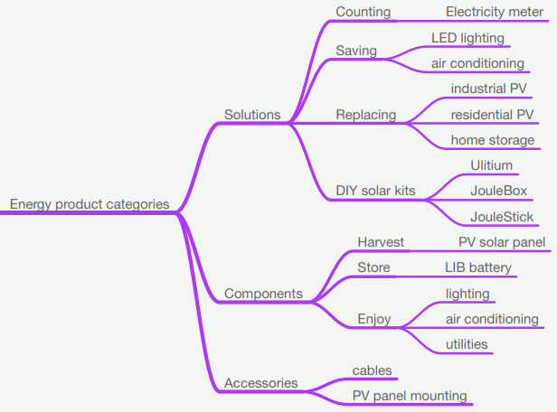
 |  |  | Back to Index
2019-01-06
product types are organized according to the following tree
3 Main Categories:
1. System Solutions
2. System Components
3. Accessories

System Solutions have 4 focus areas of sales :
1. Energy Accounting solutions
2. Energy Saving Solutions
3. Energy Replacement Solutions
4. DIY Solar Kits

System Components has 3 sub categories :
1. Components for Energy Harvest
2. Components for Energy Storage
3. Components for Energy Enjoyment

Accessories have 2 sub categries (but will be added over time)

TYPE | SUBCATEGORY | CATEGORY
Product Type | Sub category of: | Sub category of:
Electricity Meter | Counting | Solutions
LED Lighting | Saving & Enjoy | Solutions & Components
Air Conditioning | Saving & Enjoy | Solutions & Components
Industrial PV | Replacing | Solutions
Residential PV | Replacing | Solutions
Home Battery | Replacing | Solutions
Ulitium | Solar Home Kits | Solutions
JouleBox | Solar Home Kits | Solutions
PV Solar Panel | Harvest | Components

CATEGORY | SUBCATEGORY | TYPE
Sub category of: | Sub category of: | Product Type
Components | Harvest | PV Solar Panel
Solutions | Counting | Electricity Meter
Solutions | Replacing | Industrial PV
Solutions | Replacing | Residential PV
Solutions | Replacing | Home Battery
Solutions | Solar Home Kits | Ulitium
Solutions | Solar Home Kits | JouleBox
Solutions & Components | Saving & Enjoy | LED Lighting
Solutions & Components | Saving & Enjoy | Air Conditioning

Enums
Components
Solutions
Solutions & Components
 | Harvest
 | Counting
 | Replacing
 | Solar Home Kits
 | Saving & Enjoy
 |  | PV Solar Panel
 |  | Electricity Meter
 |  | Industrial PV
 |  | Residential PV
 |  | Home Battery
 |  | Ulitium
 |  | JouleBox
 |  | LED Lighting
 |  | Air Conditioning

graphs
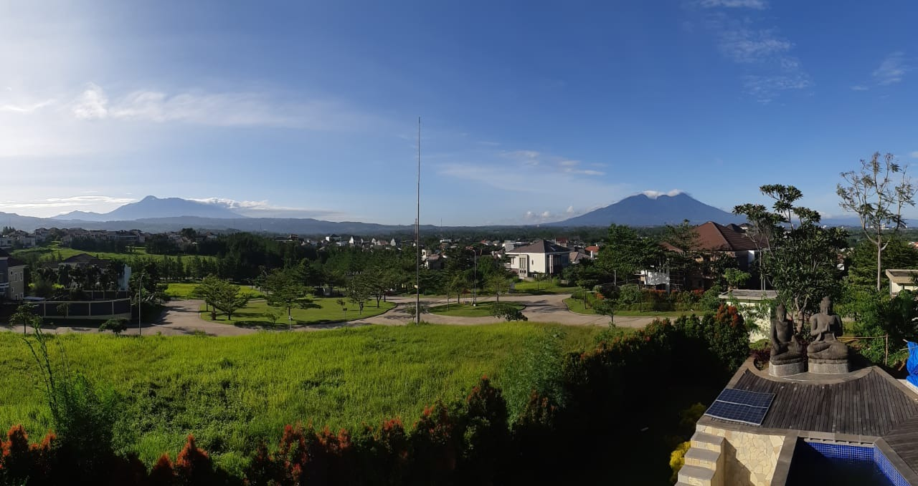
Double-entry data visualisation |  |  |  |  |  |  | Back to Index
yes ...all the stuff that is dirty... so when you see a graph with lot of black in it you need to do something about it...
When there is lot of black at the bottom; you need to get more battery capacity...
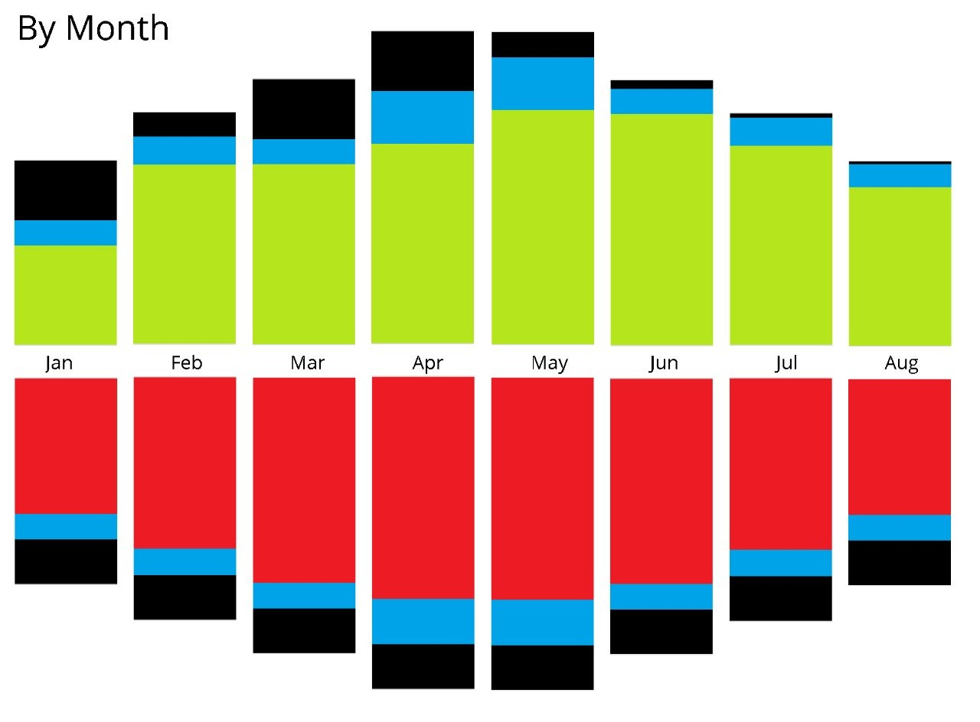
this is the double entry (up and down bar is same size)
in 1st hour all energy enjoyed came from the battery;
in 2nd hour half came from battery and other half from grid.
in 3rd hour all came from grid.
in 4th hour sun starts delivering,
in 10th hour harvest is more than enjoy and starts storing...
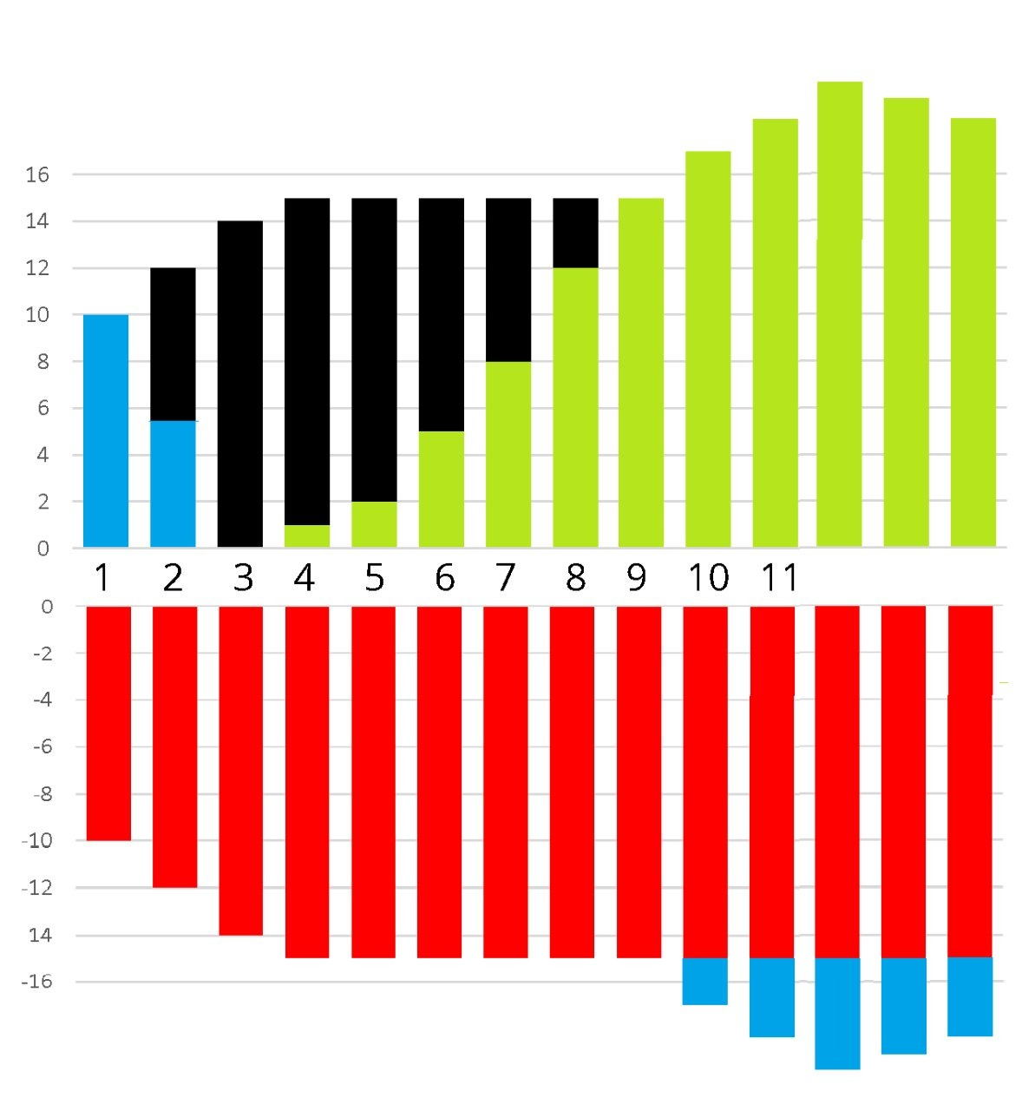

Energy Flows across G,H,S,E
 |  |  |  |  |  |  |  | Grid
 |  |  |  |  |  |  |  | Harvest
 |  |  |  |  |  |  |  | Enjoy
 |  |  |  |  |  |  |  | Store
 |  |  |  |  |  |  |  |  |  | Grid | Harvest | Enjoy | Store
 |  |  |  |  |  |  |  |  | Grid |  |  | G- E+ | G- S+
 |  |  |  |  |  |  |  |  | Harvest | H- G+ |  | H- E+ | H- S+
 |  |  |  |  |  |  |  |  | Enjoy
 |  |  |  |  |  |  |  |  | Store | S- G+ |  | S- E+
 | Enjoy + |  |  | Grid + | Store + | Store +

-
+

 | Grid - | Store - | Harvest - |  |  | Grid -

datasets
PMS | SYSTEM
 |  | PACK
 |  |  | CELL
 |  |  | FET

MPPT | PV |  | INVERTER | PV
 | BATTERY |  |  | BATTERY
 | LOAD |  |  | LOAD
 |  |  |  | GRID
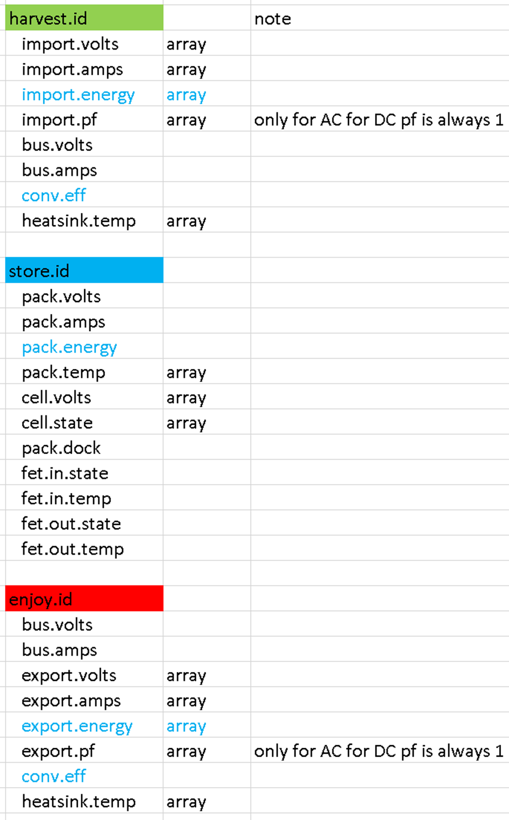
Attribute | Metric | Data | Constraint | Optionality | Description
pms.id | - | string |  | mandatory | The `pms.id` is configured for each site during pre-shipment configuration. It is stored on each Ehub (or BBC); upto 4 EHubs (i.e. Cabinets) can have the same PMS id. The `pms.id` is the foreign key for relationally joining the pms dataset to reference data in the cloud. It allows Packs to be hot-swapped on site without any pack re-configuration being needed.
time | - | datetime | RFC 3339 | mandatory | The time of the event which produced this data sample, in compressed ISO 8601/RFC3339.
pack.id | - | string |  | mandatory | The pack identifier. This is the Case id (laser engraved in human-readable form on outside of case). Initially (temporarily) the `pack.id` will be populated with the pack’s acquisition board id, and converted through a lookup to the Case id on the server. In future the Case Id will be directly stored in the acquisition board during pre-shipment configuration and no further data transformation will be required for determining the Pack id during data collection.
pack.dock | - | integer | 1-48 | mandatory | The dock number (1 - 48) into which this pack is installed. The dock number sequence covers 4 cabinets with 12 docks per cabinet. For example dock number 13 indicates that this pack is installed in dock 1 of cabinet B.
pack.volts | volts | float |  | mandatory | The voltage of this pack.
pack.amps | amps | float [+/-] |  | mandatory | The current draw for this pack. The value is positive for charge current and negative when discharging.
pack.temp | degC | float (array) | array size == 3 | required on change | An ordered set of 3 temperature readings in degC, for the temperature of the cell-pack at its top, middle, and bottom. The array position of each value is significant: the 1st value applies to the top of the pack, 2nd to the middle, and 3rd to the bottom.
cell.volts | volts | float (array) | array size == 14 | mandatory | An ordered set of 14 Voltage readings for 14 cellblocks in this pack. Each value in the data array applies to a cell number based on its position in the array. For example the 2nd value in the data array is the data for the 2nd cell in the pack.
cell.open | (open/closed) | integer (array) | 1-14 (array size 0-14) | required on change | An unordered set of ordinal numbers for cells which are ‘open’ due to cell balancing. Must contain numbers from 1-14 as there are only 14 cells in a pack. For example a data value of [1,6] signifies that cell 1 and 6 are open (bypassed) to allow the other cells in the pack to charge and reach parity with this cell block. Typically the array will be empty to indicate that there is no cell balancing in effect. | An ordered set of 14 counts, 1 for each cell in the pack. The count indicates how many ‘open’ pulses were sent for cell balancing, since the last data sampling instant. Each value in the array applies to a cell number based on its position in the array. For example the 2nd value in the data array is the data for the 2nd cell in the pack. The data value signifies how many times the cell was pulsed to open (bypass) its charge circuit, to allow other cells in the pack to charge and reach parity with this cell.
fet.temp | degC | float | array size == 2 | required on change | An ordered set of temperature readings for the two MOSFETS in this pack. The first is the input (CMOS) and the 2nd is the output (DMOS) MOSFET.
fet.open | (open/closed) | integer (array) | 1-2 (array size == 2) | required on change | An unordered set of ordinal numbers for FETs which are ‘open’ due to pack balancing. The data values must be a number from 1-2 as there are only 2 FETS in each pack. For example a data value of [1,2] signifies that FETS 1 and 2 are both open. | An ordered set of boolean values for the two MOSFETS in this pack, to inidcate whether the FET is ‘open’ due to pack balancing. There must be 2 values in the array as there are only 2 FETS in each pack. For example an array containing a value of [true,true] indicates that FETS 1 and 2 are both open.

Calculated fields
pack.soc | % | float |  | required on change

Attribute | Metric | Data | Constraint | Optionality | Description
mppt.id |  | string |  | mandatory | Id of the MPPT charge controller.
time |  | datetime | RFC 3339 | mandatory | The time of the event which produced this data sample, in compressed ISO 8601/RFC3339.
pv.volts | volts | float (array) | array size 1-4 | mandatory | An ordered set of Voltage readings for PV strings connected to this MPPT. Each value in the data array applies to a PV string number based on its position in the array. For example the 2nd value in the data array is the data for the 2nd PV string. The array size depends on the number of PV strings. Presently upto 4 PV strings per controller are supported. In future each string will have its own dedicated controller.
pv.amps | amps | float (array) | array size 1-4 | mandatory | An ordered set of Current readings for PV strings (corresponding to voltage readings in pv.volts).
batt.volts | volts | float |  | mandatory | The voltage of the connected Battery.
batt.amps | amps | float [+/-] |  | mandatory | The current for the connected Battery. The value is positive for charge current and negative when discharging.
load.volts | volts | float (array) | array size 1-2 | mandatory | An ordered set of Voltage readings for connected Load. Each value in the data array applies to a Load number based on its position in the array. For example the 2nd value in the data array is the data for the 2nd Load. The array size depends on the number of loads. Each load and its positional number must be declared in this API documentation. In a BTS installation Load 1 is the VSAT system and Load 2 is the BTS.
load.amps | amps | float (array) | array size 1-2 | mandatory | An ordered set of Current readings for connected Loads (corresponding to values in load.volts).

ENERGY |  | PERIOD

HARVEST |  | instant
STORE |  | second
ENJOY |  | minute
GRID |  | hour
 |  | timeofday
 |  | day
 |  | week
 |  | month
 |  | quarter
 |  | year
 |  | fiveyear

 |  | pack voltage is not included as cell volts allow this to be derived through addition.
 |  | the example is for a site with 2 cases and 4 packs in each case.
 |  | it shows two data samples for each case taken 10 seconds apart (CAB-00-001 at 1500.06 and 20190209T1500.16 , and CAB-00-002 at 150007 and 150017)
 |  | each object int he data array contains data for a single pack, which can be identified by pack.id
 |  | the pack.slot field indicates the case slot into which the pack has been installed.
 |  | the cell.volts field contains an array of 14 voltage datapoints correspondign to each cell blockin the pack
 |  | the size of a dataset for a case (with 4 packs) is 2030 bytes including whitespace, or 1420 bytes if whitespace is stripped (e.g. by using JSON.stringify).
 |  | each PMS controller (BBC) is able to handle 4 cases, with upto 12 packs in each case, and 14 cells per pack
 |  | a site can have any number of BBC controllers

 |  | the example is for a site with 2 MPPT controllers and 2 pv strings, and 2 loads.
 |  | at BTS sites load 1 is VSAT and load 2 is BTS
 |  | a site can have any number of MPPT controllers
 |  | currently upto 4 pv strings per controller are supported (in future each string will have a dedicated controller)
 |  | The example shows two data samples for each MPPT controller taken 10 seconds apart (IT6415AD-01-001 at 1500.06 and 20190209T1500.16 , and IT6415AD-01-002 at 150007 and 150017)
 |  | the size of each MPPT dataset is 367 bytes including whitespace, or 248 bytes if JSON.stringify is used to strip whitespace.
 |  | In future

 |  | MPPT and EPACK datasets are aquired by the BBC controller and sent to the cloud API either directly or via an onsite EHUB gateway
 |  | the sender (bbc controller or ehub gateway) is authenticated using jwt and oauth
 |  | the api will accept data in the request only if the sender is authorised for the dataset (e.g. EPACK or MPPT) and for the site configured for the devices identified in the request body.

 |  | provisioning workflow
 |  | after a sale is completed the administrator will create a despatch order in the sundaya sales administation web portal (hoku admin app web site)
 |  | this includes entering the following data for the system components which need to be despatched and installed on site:
 |  | site id
 |  | battery case id(s)
 |  | MPPT or Inverter charge controller id(s)
 |  | the ids of individual packs do not need to be entered as each packs self-identifies when sending data through the pms mcu

 |  | commissioning
 |  | when the equipment is being prepared a field engineer must store the following configuration data in the BBC or EHUB gateway.
 |  | it is very important that information entrered is correct and verified. The engineer must refer to the data previously entered in the sundaya sales app when completing this step.
 |  |  |  | physically verify serial numbers etc. of each equipment item
 |  |  |  | enter the following data:
 |  |  |  | battery case id(s)
 |  |  |  | MPPT or Inverter charge controller id(s)

 |  | datasets |  | controller
 |  |  |  | data | eventTime
 |  |  |  |  | pv | volts
 |  |  |  |  |  | amps
 |  |  |  |  | battery | volts
 |  |  |  |  | load | volts
 |  |  |  |  |  | amps

 |  | datasets |  | eventTime
 |  |  |  | case
 |  |  |  | data | pack | id
 |  |  |  |  |  | slot
 |  |  |  |  |  | amps
 |  |  |  |  |  | soc
 |  |  |  |  |  | temp | top
 |  |  |  |  |  |  | mid
 |  |  |  |  |  |  | bottom
 |  |  |  |  | cell | volts
 |  |  |  |  | fet | temp | in
 |  |  |  |  |  |  | out
 |  |  |  |  |  | status | in
 |  |  |  |  |  |  | out

 |  |  |  |  |  |  |  | Back to Index
Notes
required on change | the attribute must be sent if the value has changed since the last successful API post request was acknowledged (201 response)
configuration changes
mandatory if installed | required only if the corresponding subassembly (eg pv string) has been installed.
 | BBC can handle 4 cases and each case can hold 12 packs
cellblock | 20p
pack | 14s cellblocks
js | 12p packs | Dataset | EPACK |  |  |  |  |  | dataset name / messaging topic
 |  | data | attribute | example | unit | type | constraint | optionality | description
 | per pack | 12 | deviceId | EPACK-01-999 |  | string |  | mandatory | the unique epack identifier
 |  | 24 | eventTime | 20190209T150006.032-0700 |  | string (datetime) | RFC 3339 | mandatory | event timestamp
 |  | 5 | vCell01 | 3.929 | Volts | float |  | mandatory | cell voltage
 |  | 5 | vCell02 | 3.929 | Volts | float |  | mandatory | cell voltage
 |  | 5 | vCell03 | 3.929 | Volts | float |  | mandatory | cell voltage
 |  | 5 | vCell04 | 3.929 | Volts | float |  | mandatory | cell voltage
 |  | 5 | vCell05 | 3.929 | Volts | float |  | mandatory | cell voltage
 |  | 5 | vCell06 | 3.929 | Volts | float |  | mandatory | cell voltage
 |  | 5 | vCell07 | 3.929 | Volts | float |  | mandatory | cell voltage
 |  | 5 | vCell08 | 3.929 | Volts | float |  | mandatory | cell voltage
 |  | 5 | vCell09 | 3.929 | Volts | float |  | mandatory | cell voltage
 |  | 5 | vCell10 | 3.929 | Volts | float |  | mandatory | cell voltage
 |  | 5 | vCell11 | 3.929 | Volts | float |  | mandatory | cell voltage
 |  | 5 | vCell12 | 3.929 | Volts | float |  | mandatory | cell voltage
 |  | 5 | vCell13 | 3.929 | Volts | float |  | mandatory | cell voltage
 |  | 5 | vCell14 | 3.929 | Volts | float |  | mandatory | cell voltage
 |  | 4 | vPack | 55.1 | Volts | float |  | mandatory | pack voltage
 |  | 3 | iPack | 0.0 | Amps | float |  | mandatory | pack current
 |  | 4 | socPack | 94.3 | % | float | 0-100 | required on change | pack percentage state of charge
 |  | 4 | tPackBottom | 34.0 | degC | float |  | required on change | temperature of cell-pack bottom
 |  | 4 | tPackMid | 33.0 | degC | float |  | required on change | temperature of cell-pack middle
 |  | 4 | tPackTop | 35.0 | degC | float |  | required on change | temperature of cell-pack top
 |  | 4 | tFetIn | 37.0 | degC | float |  | required on change | input mosfet (CMOS) temperature
 |  | 4 | tFetOut | 37.0 | degC | float |  | required on change | output mosfet (DMOS) temperature
 |  | 1 | statusFetIn | 1 |  | boolean | 1/0 | required on change | input mosfet (CMOS) status (1=open/0=closed)
 |  | 1 | statusFetOut | 1 |  | boolean | 1/0 | required on change | output mosfet (DMOS) status (1=open/0=closed)
 |  | 11 | idRack | RACK-01-001 |  | string |  | mandatory | the unique Joulestore/pms identifier
 |  | 2 | slotRack | 12 |  | string | 1-12 | mandatory | the slot number in which the pack is installed

 |  | Dataset | MPPT--CONTROLLER | /INV-CONTROLLER |  |  |  |  | dataset name / messaging topic
 |  | data | attribute | example | unit | type | constraint | optionality | description
 |  | 15 | deviceId | IT6415AD-01-999 |  | string |  | mandatory | the controller's device Identifier (MPTT or inverter)
 |  | 24 | eventTime | 20190209T150006.032-0700 |  | string (datetime) | RFC 3339 | mandatory | event timestamp
 |  | 2 | vPv01 | 48 | Volts | float |  | mandatory if installed | pv string voltage. currently upto 4 strings per controller are supported. In future each string will have a dedicated controller.
 |  | 2 | vPv02 | 48 | Volts | float |  | mandatory if installed | pv string voltage
 |  | 2 | vPv03 | 48 | Volts | float |  | mandatory if installed | pv string voltage
 |  | 2 | vPv04 | 48 | Volts | float |  | mandatory if installed | pv string voltage
 |  | 3 | iPv01 | 6.3 | Amps | float |  | mandatory | pv string current
 |  | 3 | iPv02 | 6.3 | Amps | float |  | mandatory if installed | pv string current
 |  | 3 | iPv03 | 6.3 | Amps | float |  | mandatory if installed | pv string current
 |  | 3 | iPv04 | 6.3 | Amps | float |  | mandatory if installed | pv string current
 |  | 4 | vBatt | 55.1 | Volts | float |  | mandatory | battery voltage
 |  | 2 | vLoad01 | 48 | Volts | float |  | mandatory | VSAT battery voltage (lvd1). Cuts off and reports 0v if battery SoC < 40%
 |  | 2 | vLoad02 | 48 | Volts | float |  | mandatory | BTS battery voltage (lvd2). Cuts off and reports 0v if battery SoC < 40%
 |  | 3 | iLoad01 | 1.2 | Amps | float |  | mandatory | BTS current
 |  | 3 | iLoad02 | 1.2 | Amps | float |  | mandatory | VSAT current

 |  |  |  |  |  |  |  |  | CMOS (Open, Close) and DMOS (Open, Close). if CMOS is open, send boolean "true" to indicated the mosfet is open, and when mosfet is close, send boolean "false" to indiacate mosfet is close.
 |  |  |  |  |  |  |  |  | Load 1: I_VSAT
 |  |  |  |  |  |  |  |  | Load 2: I_BTS
 |  |  |  |  |  |  |  |  | NOTE: The MPPT does not supply the load but goes through a separate 3 load channel measurement board
 |  |  |  |  |  |  |  |  | Load 1: I_VSAT
 |  |  |  |  |  |  |  |  | Load 2: I_BTS
 |  |  |  |  |  |  |  |  | Load 3: I_Others

 |  |  |  |  |  |  |  |  | No Voltage is measured because of the INA IC Range limit of 36V (Fahmi pls correct if I am wrong)

 |  |  |  | VD1Vsat and LVD1BTS, get data from battery voltage because the value is same. but if battery going to under 40% LVD1BTS will cut off, an then the voltage data is zero, just use a logic function at BBC firmware not use voltage monitor again for this.
 |  |  |  | if (SOC<40%) cutoff BTSload and send 0V to cloud as indicator that no voltage to LVD1BTS .

